Adarsh
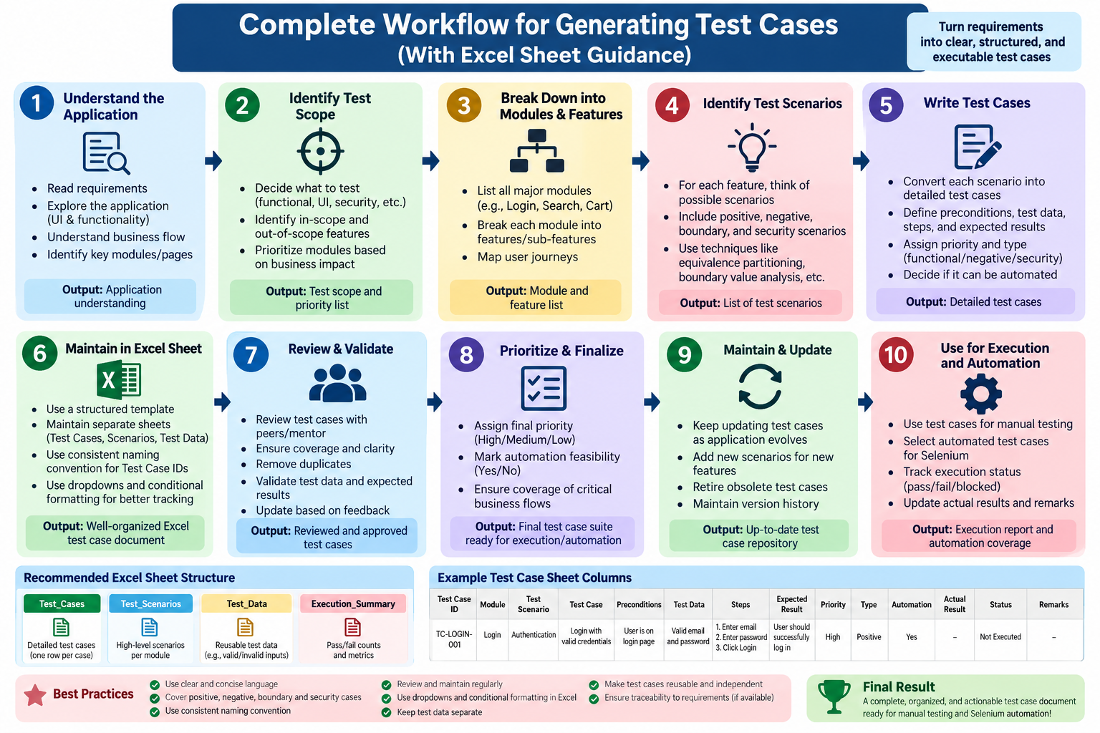
TC_ID | Module | Scenario | Test Case | Test data | Expected result | Actual result
1 | Login | Authentication | valid email and password | valid Email + valid Password | successfull login | uploaded
2 | Login | Authentication | Invalid password | valid Email + Invalid Password | Unsuccessfull login | uploaded
3 | Login | input validation | login with empty email | empty email + valid password | app should prevent empty fields | uploaded
4 | Login | input validation | login with empty password | valid email + empty password | app should prevent empty fields | uploaded
5 | Login | Authentication | invalid email | invalid email + valid password | unsuccessfull login | uploaded
6 | Login | input validation | login with invalid email format | invalid email format + valid password | app should prevent invalid email format | uploaded
7 | Login | input validation | login with email missing @ | email without @ + valid password | app should reject invalid email format | uploaded
8 | Login | input validation | Valid Login | empty email + empty password | app should prevent login with empty fields | uploaded
9 | Login | Authentication | login with both invalid credentials | invalid email + invalid password | unsuccessful login | uploaded
10 | Login | Authentication | login with valid email and incorrect password | valid email + incorrect password | unsuccessful login | uploaded
11 | Login | input validation | login with email containing leading spaces | email with leading spaces + valid password | app should handle leading spaces correctly | uploaded
12 | Login | input validation | login with email containing trailing spaces | email with trailing spaces + valid password | app should handle trailing spaces correctly
13 | Login | input validation | login with email containing spaces | email containing spaces + valid password | app should reject invalid email format
14 | Login | input validation | login with password containing only spaces | valid email + spaces as password | app should prevent invalid password input
15 | Login | input validation | login with very short password | valid email + short password | app should reject invalid credentials
16 | Login | input validation | login with very long password | valid email + very long password | app should handle long password input without error
17 | Login | UI validation | verify password is masked | any password | password should be displayed as masked characters
18 | Login | UI validation | verify login button with empty fields | empty email + empty password | login button should remain disabled
19 | Login | UI validation | verify login button with only email | valid email + empty password | login button should remain disabled
20 | Login | UI validation | verify login button with only password | empty email + valid password | login button should remain disabled
21 | Login | UI validation | verify login button after entering valid credentials | valid email + valid password | login button should become enabled
22 | Login | Authentication | login using uppercase email | uppercase valid email + valid password | app should handle email case according to application rules
23 | Login | Authentication | login using lowercase email | lowercase valid email + valid password | app should process the login request
24 | Login | Navigation | navigate from login page to registration page | click registration link | registration page should open successfully
25 | Login | Navigation | navigate back from login page | browser back/navigation action | previous page should be displayed
26 | Login | input validation | login with email containing special characters | special character email + valid password | app should reject invalid email format
27 | Login | input validation | login with email without username | @domain.com + valid password | app should reject invalid email format
28 | Login | input validation | login with email without domain | user@ + valid password | app should reject invalid email format
29 | Login | input validation | login with email containing multiple @ symbols | user@@domain.com + valid password | app should reject invalid email format
30 | Login | input validation | login with email containing consecutive dots | user..test@domain.com + valid password | app should reject or handle invalid email format
31 | Login | input validation | login with numeric-only email | 123456789 + valid password | app should reject invalid email format
32 | Login | input validation | login with numeric-only password | valid email + numeric password | app should process credentials without UI error
33 | Login | input validation | login with special characters in password | valid email + special-character password | app should process password input correctly
34 | Login | input validation | login with Unicode characters in email | Unicode email + valid password | app should handle or reject invalid email appropriately
35 | Login | input validation | login with Unicode characters in password | valid email + Unicode password | password field should accept the input correctly
36 | Login | field behavior | verify email field accepts text input | valid email | email should be entered into the email field
37 | Login | field behavior | verify password field accepts text input | valid password | password should be entered into the password field
38 | Login | field behavior | verify email field can be cleared | entered email | email field should become empty after clearing
39 | Login | field behavior | verify password field can be cleared | entered password | password field should be empty after clearing
40 | Login | field behavior | enter email after clearing existing email | first email, then second email | email field should contain the newly entered email
41 | Login | field behavior | enter password after clearing existing password | first password, then second password | password field should contain the newly entered password
42 | Login | UI validation | verify login button remains disabled after clearing email | valid email + valid password, then clear email | login button should become disabled
43 | Login | UI validation | verify login button remains disabled after clearing password | valid email + valid password, then clear password | login button should become disabled
44 | Login | Navigation | refresh login page before entering credentials | browser refresh | login page should reload successfully and fields should be reset
45 | Login | Navigation | refresh login page after entering credentials | valid email + valid password, then refresh | login page should reload without completing login automatically

